composite
H | T | H1 (FCp) | H2 (FCp) |  | Qc min= | 100
0 | 30 |  | 2 |  | Qh min= | 311.4
30 | 45
H v.s T
 | T
0 | 30
30 | 45
30 | 60
195 | 170
100 | 20
262 | 80
480.4 | 132
492.4 | 140
492.4 | 160
506.4 | 195
30 | 60 | 1.5
195 | 170

 |  | C1 (FCp) | C2 (FCp) | C3 (FCp)
100 | 20 | 2.7
262 | 80 | 2.7 | 1.5
480.4 | 132 |  | 1.5
492.4 | 140
492.4 | 160 |  |  | 0.4
506.4 | 195
H | T shifted

HRAT=10
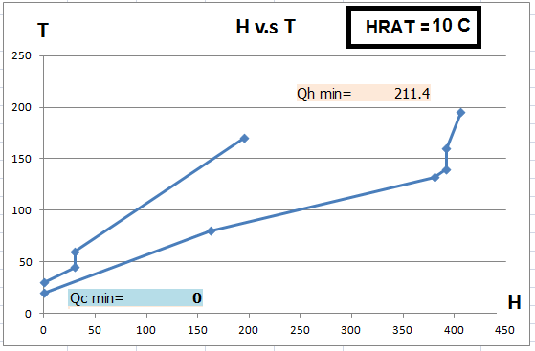
H v.s. T
H | T
0 | 30 | pinch
10.5 | 45
51 | 60
87 | 90
227.4 | 142
227.4 | 150
212.4 | 160
197.4 | 170
211.4 | 205

HRAT=20
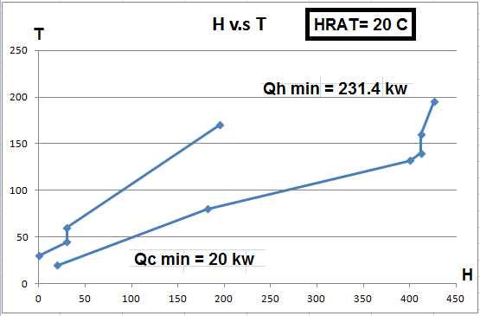
H v.s. T
H | T
20 | 30
0 | 40 | pinch
3.5 | 45
44 | 60
92 | 100
232.4 | 152
232.4 | 160
217.4 | 170
217.4 | 180
231.4 | 215

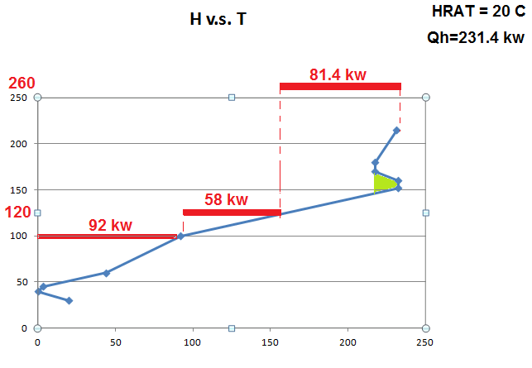

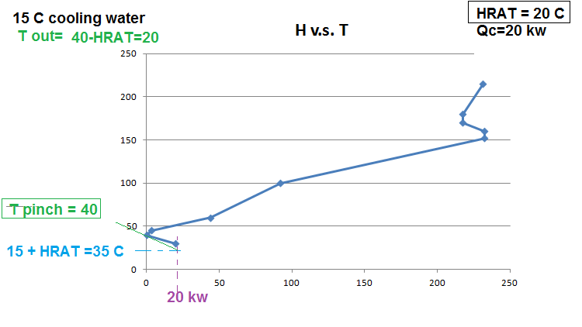

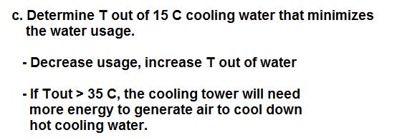

HRAT=30
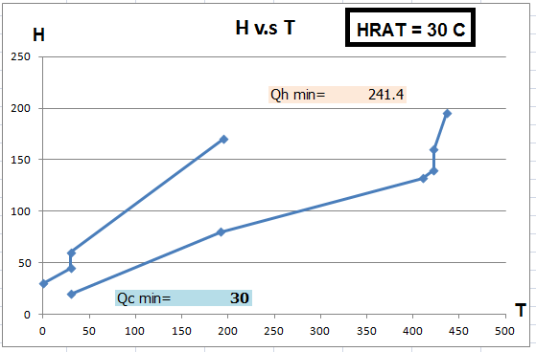
H v.s. T
H | T
30 | 30
0 | 40 | pinch
0 | 50 | pinch
27 | 60
87 | 110
227.4 | 162
227.4 | 170
227.4 | 190
241.4 | 225

